Test Case 1
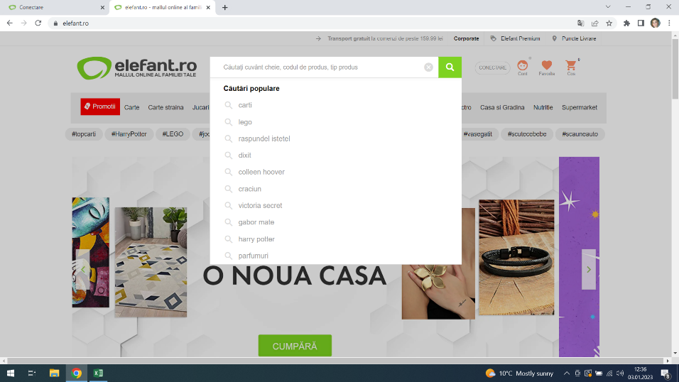
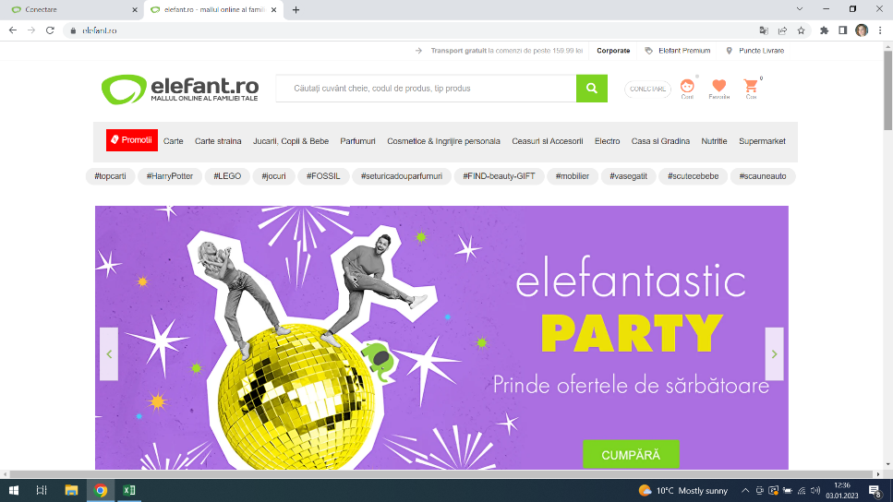
Test Case ID |  |  | Test Case Description
Created By |  | Andreea | Reviewed By |  |  | Version

QA Tester’s Log

Tester's Name |  | Andreea | Date Tested | 2023-01-03 |  | Test Case (Pass/Fail/Not Executed)

S # | Prerequisites: |  |  | S # | Test Data Requirement
1 | Access to Chrome |  |  | 1
2 |  |  |  | 2
3 |  |  |  | 3
4 |  |  |  | 4

Description | Verify the search field present and aligned

Step | Step Details |  | Expected Results | Actual Results |  |  | Pass / Fail / Not executed / Suspended

Step 1 | Navigate to Elefant.ro |  | Site should open | Site opened |  |  | Pass

Step 2 | See if the Search button exists |  | Search button present | Search button present |  |  | Pass

Step 3 | Check the alignment in page- user friendly |  | Button user friendly | Button is on top row of the page, in the middle |  |  | Pass

Step 4

Teste Case 2
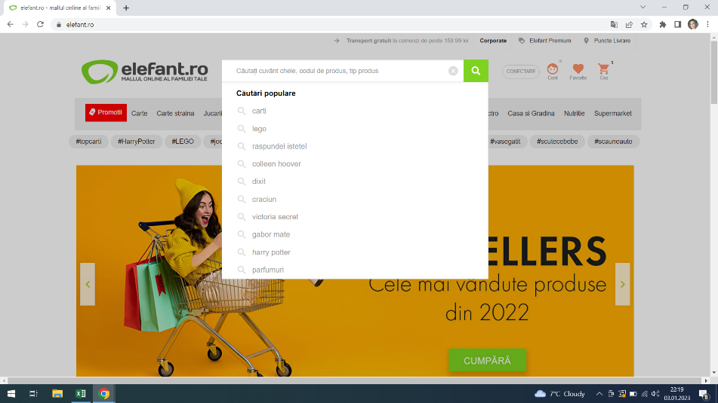
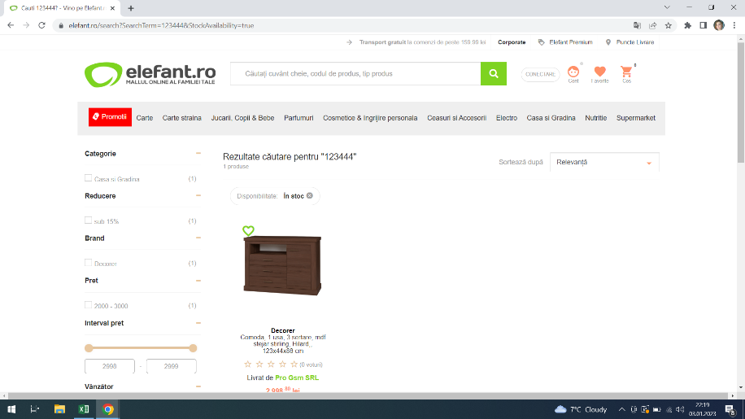
Test Case ID |  |  | Test Case Description
Created By |  | Andreea | Reviewed By |  |  | Version

QA Tester’s Log

Tester's Name |  | Andreea | Date Tested | 2023-01-03 |  | Test Case (Pass/Fail/Not Executed)

S # | Prerequisites: |  |  | S # | Test Data Requirement
1 | Acces to Chrome |  |  | 1
2 |  |  |  | 2
3 |  |  |  | 3
4 |  |  |  | 4

Description | Verify if search function works for numbers

Step | Step Details |  | Expected Results | Actual Results |  |  | Pass / Fail / Not executed / Suspended

Step 1 | Go to Elefant.ro |  | Site should open | Site opened |  |  | Pass

Step 2 | Click the Search bar and type 123444 |  | Results for these numbers | A product was showned |  |  | Pass

Test Case 3
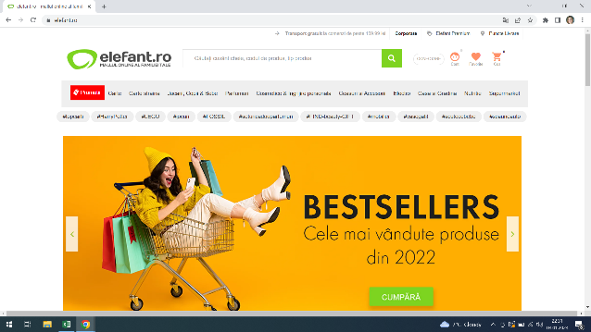
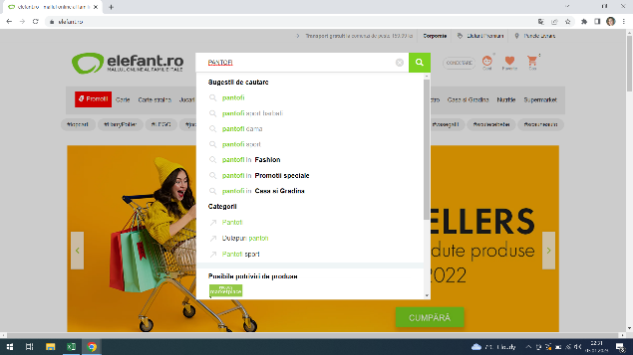
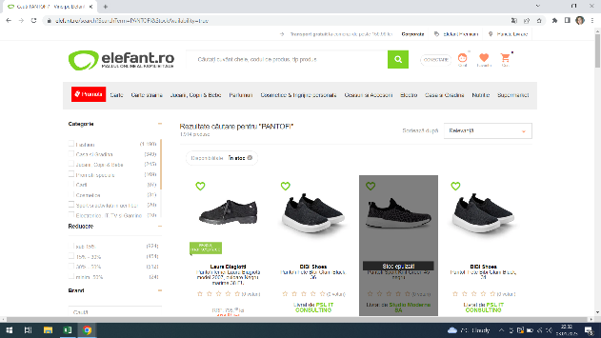
Test Case ID |  |  | Test Case Description
Created By |  | Andreea | Reviewed By |  |  | Version

QA Tester’s Log

Tester's Name |  | Andreea | Date Tested | 2023-01-03 |  | Test Case (Pass/Fail/Not Executed)

S # | Prerequisites: |  |  | S # | Test Data Requirement
1 | Access to Chrome |  |  | 1
2 |  |  |  | 2
3 |  |  |  | 3
4 |  |  |  | 4

Description | Verify if the search bar | is case | sensitive

Step | Step Details |  | Expected Results | Actual Results |  |  | Pass / Fail / Not executed / Suspended

Step 1 | Go to Elefant.ro |  | Site should open | Site opened |  |  | Pass

Step 2 | Click on the Search bar |  | Search bar should open | Search bar opened |  |  | Pass

Step 3 | Type with Capslock ,, PANTOFI,, |  | Results for Pantofi (not case sensitive) | results for pantofi |  |  | Pass

Step 4

Test Case 4
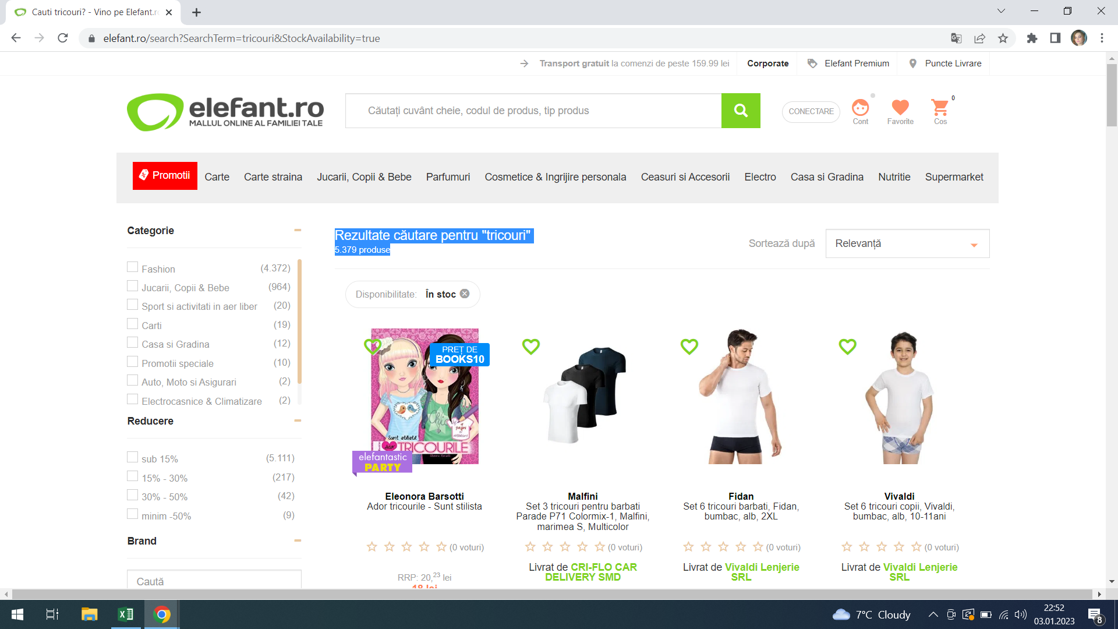
Test Case ID |  |  | Test Case Description
Created By |  | Andreea | Reviewed By |  |  | Version

QA Tester’s Log

Tester's Name |  | Andreea | Date Tested | 2023-01-03 |  | Test Case (Pass/Fail/Not Executed)

S # | Prerequisites: |  |  | S # | Test Data Requirement
1 | Acces to Chrome |  |  | 1
2 |  |  |  | 2
3 |  |  |  | 3
4 |  |  |  | 4

Description | Verify the count of the searched result showing

Step | Step Details |  | Expected Results | Actual Results |  |  | Pass / Fail / Not executed / Suspended

Step 1 | Go to Elefant.ro |  | Site should open | Site opened |  |  | Pass

Step 2 | Click on Search bar |  | Search bar should open | Search bar opened |  |  | Pass

Step 3 | Type ,,Tricouri,, |  | Total count of the searched result | Total count of the search result is showned |  |  | Pass

Step 4

Test Case 6

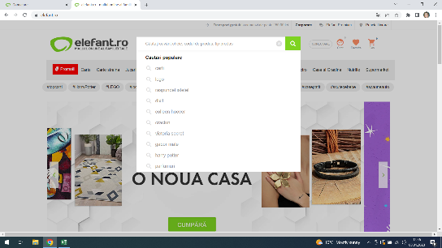
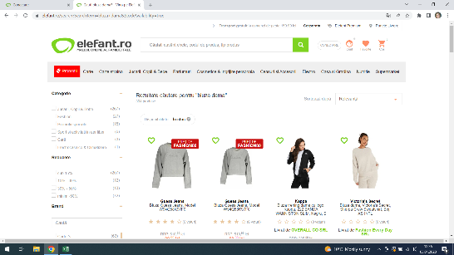
Test Case ID |  |  | Test Case Description
Created By |  | Andreea | Reviewed By |  |  | Version

QA Tester’s Log

Tester's Name |  | Andreea | Date Tested | 2023-01-03 |  | Test Case (Pass/Fail/Not Executed)

S # | Prerequisites: |  |  | S # | Test Data Requirement
1 | Access to Chrome Browser |  |  | 1
2 |  |  |  | 2
3 |  |  |  | 3
4 |  |  |  | 4

Description | Verify search is functional and generating the correct result for correct keywords or not

Step | Step Details |  | Expected Results | Actual Results |  |  | Pass / Fail / Not executed / Suspended

Step 1 | Go to Elefant.ro |  | Site should open | Site opened |  |  | Pass

Step 2 | Click the Search button |  | Search bar open | Search bar active |  |  | Pass

Step 3 | Type ,,bluza dama,, |  | Results for ,,bluza dama,, | Results correct for ,,bluza dama,, |  |  | Pass

Step 4

